Sheet1
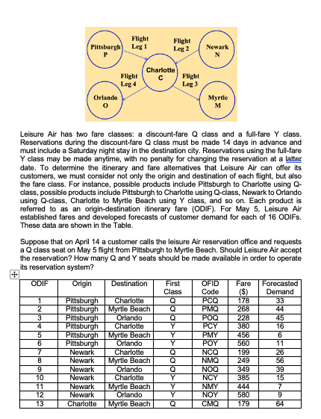
ODIF | Origin | Destination | First Class | OFID Code | Fare ($) | Forecasted Demand
1 | Pittsburgh | Charlotte | Q | PCQ | 178 | 33
2 | Pittsburgh | Myrtle Beach | Q | PMQ | 268 | 44
3 | Pittsburgh | Orlando | Q | POQ | 228 | 45
4 | Pittsburgh | Charlotte | Y | PCY | 380 | 16
5 | Pittsburgh | Myrtle Beach | Y | PMY | 456 | 6
6 | Pittsburgh | Orlando | Y | POY | 560 | 11
7 | Newark | Charlotte | Q | NCQ | 199 | 26
8 | Newark | Myrtle Beach | Q | NMQ | 249 | 56
9 | Newark | Orlando | Q | NOQ | 349 | 39
10 | Newark | Charlotte | Y | NCY | 385 | 15
11 | Newark | Myrtle Beach | Y | NMY | 444 | 7
12 | Newark | Orlando | Y | NOY | 580 | 9
13 | Charlotte | Myrtle Beach | Q | CMQ | 179 | 64
14 | Charlotte | Myrtle Beach | Y | CMY | 380 | 8
15 | Charlotte | Orlando | Q | COQ | 224 | 46
16 | Charlotte | Orlando | Y | COY | 582 | 10

